Sheet1
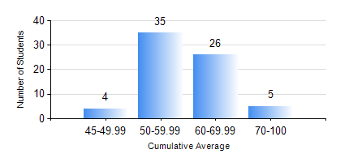
 |  |  | KWAME NKRUMAH UNIVERSITY OF SCIENCE AND TECHNOLOGY, KUMASI Department of Agricultural and Biosystems Engineering

 |  |  | BSC. AGRICULTURAL ENG.

 |  |  | COMPREHENSIVE RECORD OF EXAMINATION RESULTS

 |  |  | RESULTS OF YEAR 4 FIRST SEMESTER, 2020/2021 ACADEMIC YEAR

 | Sn | Course Code |  | Course Name | Credit Hours | Min. Mark | Max. Mark | Avg. Mark | Std. Dev. | No. Passed | No. Trailed | No. (Df) | No. (I) | No. (I*) | No. Tagged(I,I*,Df) | Total
 | 1. | AE 451 |  | IRRIGATION AND DRAINAGE | 3 | 40 | 90 | 67 | 11.18 | 70 | 0 | 0 | 0 | 0 | 0 | 70
 | 2. | AE 453 |  | ENVIRONMENTAL CONTROL AND LIVESTOCK HOUSING | 2 | 40 | 86 | 53 | 10.1 | 70 | 0 | 0 | 0 | 0 | 0 | 70
 | 3. | AE 457 |  | CROP PROCESSING | 2 | 52 | 77 | 67 | 6.29 | 70 | 0 | 0 | 0 | 0 | 0 | 70
 | 4. | AE 459 |  | ADVANCED FARM POWER AND MACHINERY | 3 | 30 | 85 | 59 | 11.52 | 69 | 1 | 0 | 0 | 0 | 0 | 70
 | 5. | AE 471 |  | FARM STRUCTURES | 3 | 45 | 81 | 66 | 8.45 | 70 | 0 | 0 | 0 | 0 | 0 | 70
 | 6. | AE 497 |  | PROJECT I | 1 | 46 | 92 | 71 | 10.78 | 70 | 0 | 0 | 0 | 0 | 0 | 70
 | 7. | AE 499 |  | VACATION TRAINING | 2 | 49 | 93 | 74 | 9.07 | 69 | 0 | 1 | 0 | 0 | 1 | 70
 | 8. | ME 491 |  | ENGINEERING ECONOMICS AND MANAGEMENT | 3 | 40 | 80 | 60 | 9.61 | 70 | 0 | 0 | 0 | 0 | 0 | 70

